REKAP
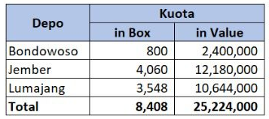
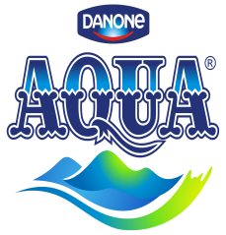
Realisasi Program RETAIL BOOST AQUA 1500 ML
PT LIVIA MANDIRI SEJATI
Periode 01 - 13 NOVEMBER 2021

Dist: PT. LIVIA MANDIRI SEJATI
NO. | WILAYAH | DEPO | QUOTA IN BOX | QUOTA IN RUPIAH | SISA KUOTA BOX | SISA KUOTA IN RUPIAH | SKU (KARTON) | BUNDLING |  |  |  | KLAIM TIV | KETERANGAN
 |  |  |  |  |  |  | Aqua 1500 ML | Vit 1500 ml (box) | Vit 1500 ml 6 PCS | Vit 550 ml (box) | Vit 550 ml 6 PCS
1 | LMS 1 | PASURUAN | 438 | 1,314,000 | 438 | 1,314,000 | - | - | - | - | - | - | CLAIM BIAYA
2 |  | PROBOLINGGO | 352 | 1,056,000 | 352 | 1,056,000 | - | - | - | - | - | - | CLAIM BIAYA
3 |  | SUKOREJO | 154 | 462,000 | 154 | 462,000 | - | - | - | - | - | - | CLAIM BIAYA
4 |  | PAITON | 56 | 168,000 | 56 | 168,000 | - | - | - | - | - | - | CLAIM BIAYA
5 | LMS 2 | LUMAJANG | 224 | 672,000 | 224 | 672,000 | - | - | - | - | - | - | CLAIM BIAYA
6 |  | JEMBER | 290 | 870,000 | 290 | 870,000 | - | - | - | - | - | - | CLAIM BIAYA
7 |  | BONDOWOSO | 78 | 234,000 | 78 | 234,000 | - | - | - | - | - | - | CLAIM BIAYA
8 | LMS 3 | SITUBONDO | 180 | 540,000 | 180 | 540,000 | - | - | - | - | - | - | CLAIM BIAYA
9 |  | BANYUWANGI | 202 | 606,000 | 202 | 606,000 | - | - | - | - | - | - | CLAIM BIAYA
10 |  | GENTENG | 100 | 300,000 | 100 | 300,000 | - | - | - | - | - | - | CLAIM BIAYA
TOTAL |  |  | 2,074 | 6,222,000 | 2,074 | 6,222,000 | - | - | - | - | - | -

Yang Membuat |  |  | Mengetahui |  |  | Mengetahui | Mengetahui |  |  |  |  | Mengetahui | Mengetahui

LELY PANGESTUTI |  | MONIKA TRIANA S | YONKKY DWIKA PUTRA |  |  | BELLA GLORIA UKHISIA | RENNY AMELIA |  |  |  |  | IYAN GUSTI PUTRA P | MAHENDRA PURNA
ADM.FINANCE |  | ADM.FINANCE | RSM DISTRIBUTOR LMS |  |  | SALES SUPERVISOR TIV | SALES SUPERVISOR TIV |  |  |  |  | SALES SUPERVISOR TIV | SALES MANAGER TIV

INME
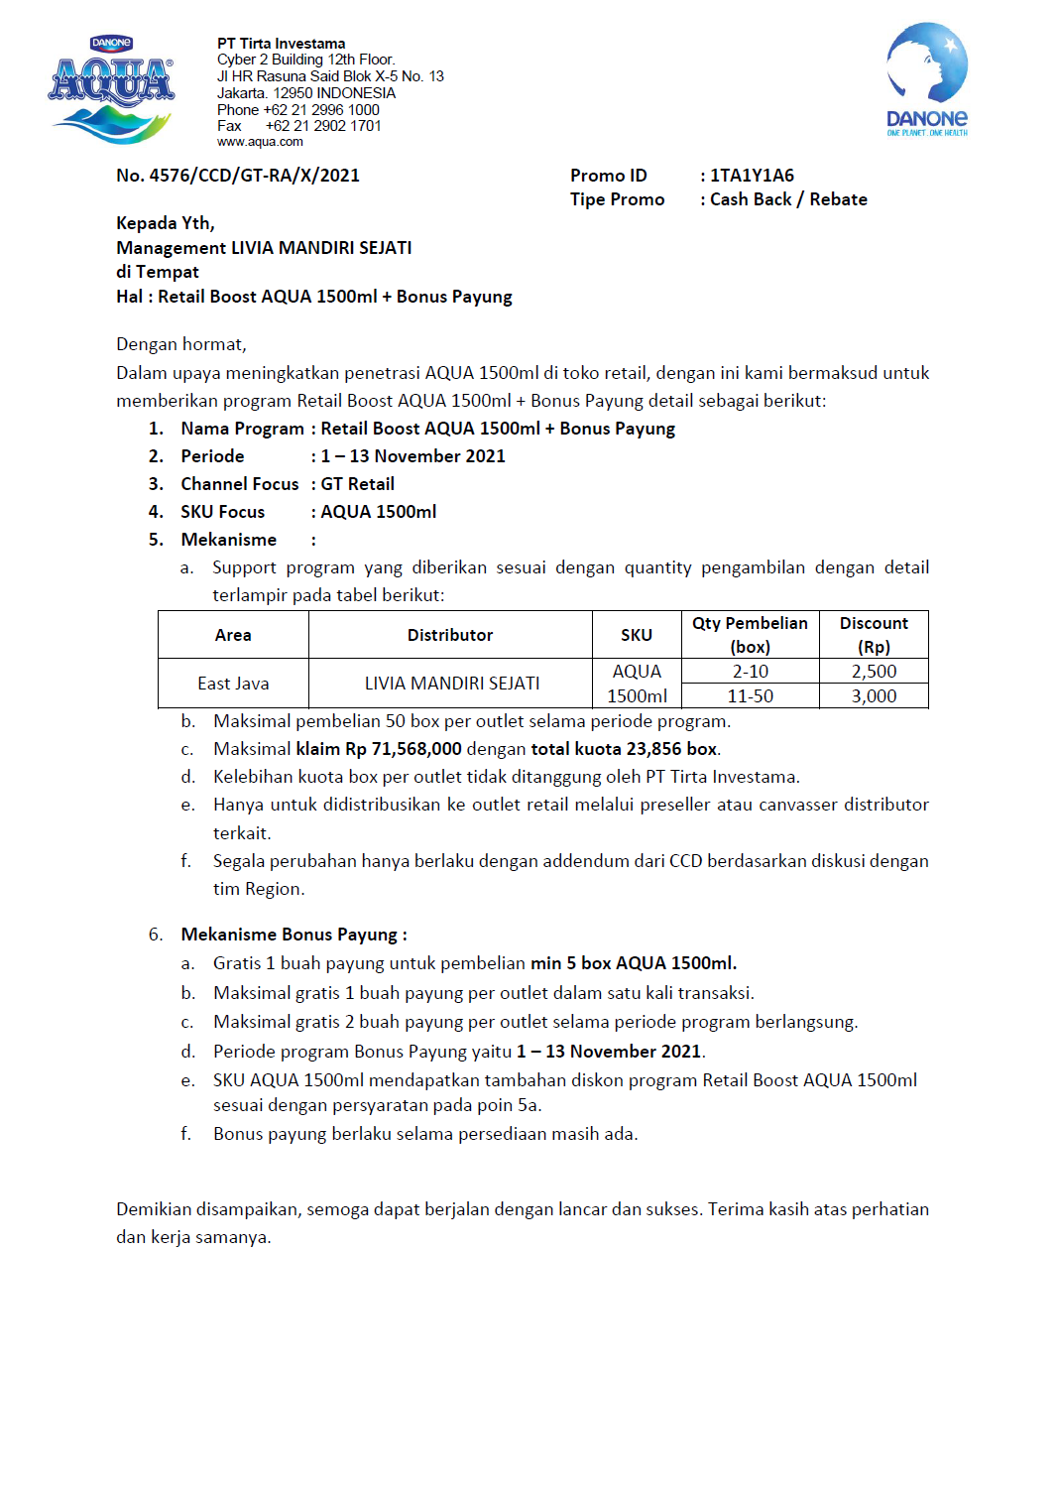
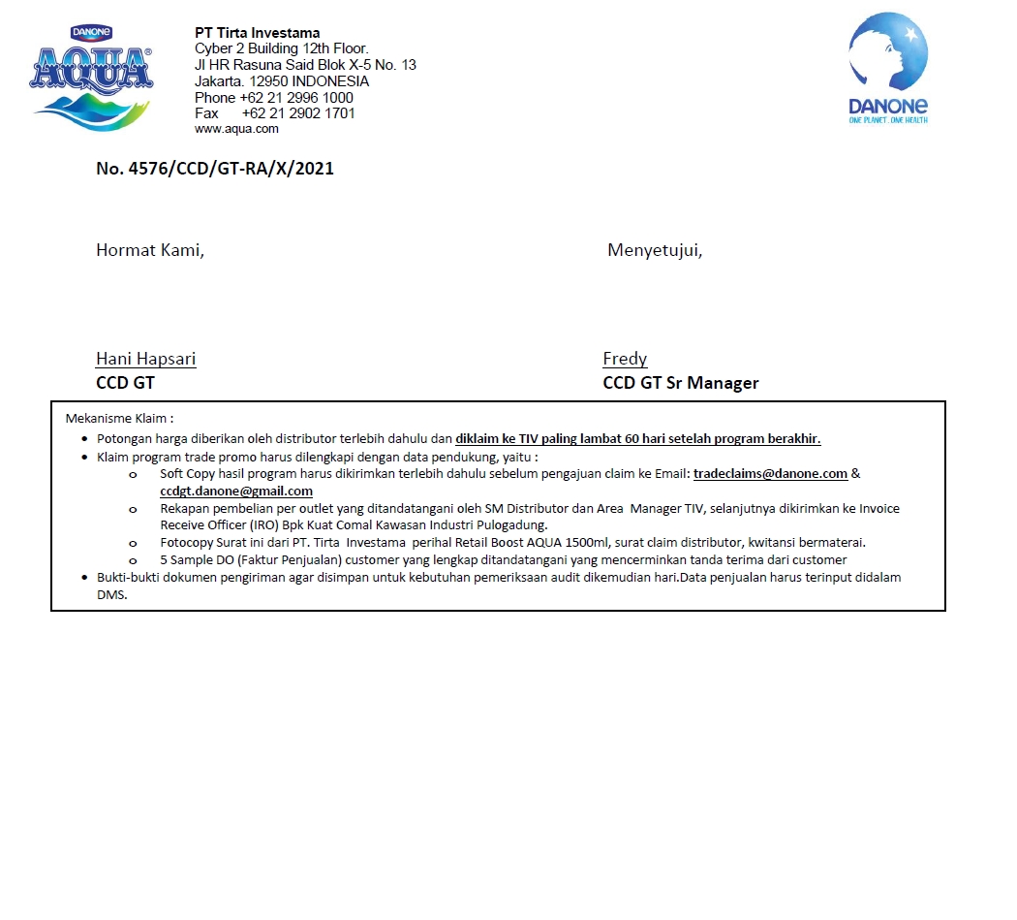

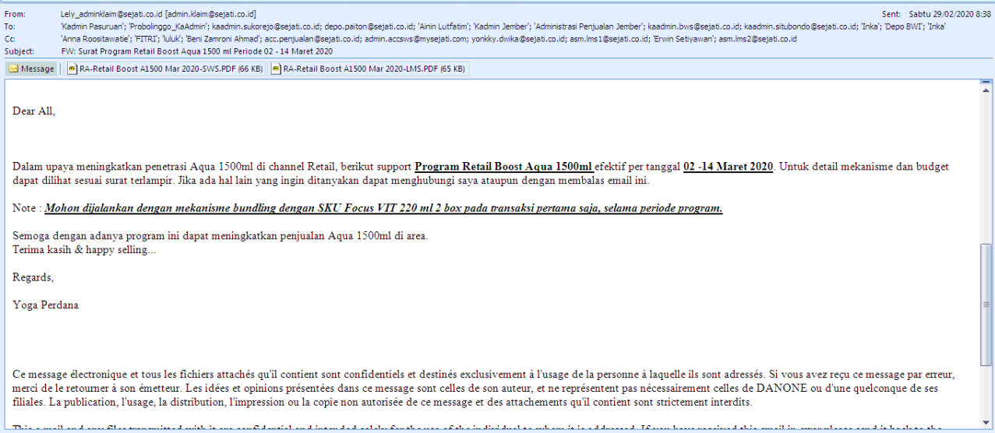

ADDITIONAL
